Instructions
INSTRUCTIONS Final Report – Utilization of Underutilized/Disadvantaged Business Enterprise (U/DBE) and Small Business, First-Tier Subcontractors

The form requires information from the AGENCY contract.

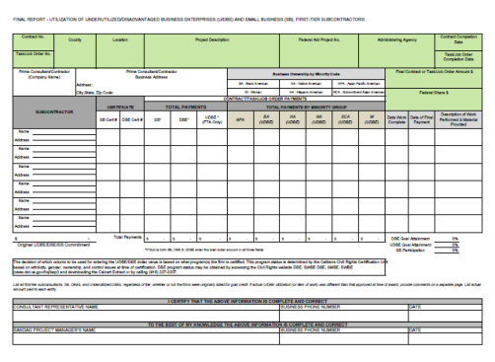
CONTRACT INFORMATION
The Contract/Task/Job Order fields are shown in green in the example.

Enter the following information:
 | Contract No.: AGENCY contract number
 | County: County in which work was performed
 | Location: Location in which work was performed
 | Project Description: Provide a brief description of the project (project title)
 | Federal Aid Project No.: Contact Director of Finance & Administration if unknown
 | Administering Agency: AGENCY
 | Contract Completion Date: As applicable
 | Final Contract Amount $: Inclusive of all amendments/change orders
 | Federal Share $: Contact Director of Finance & Administration, if unknown
 | PRIME CONSULTANT/CONTRACTOR INFORMATION
 | The Prime Consultant/Contractor fields are shown in blue in the example.
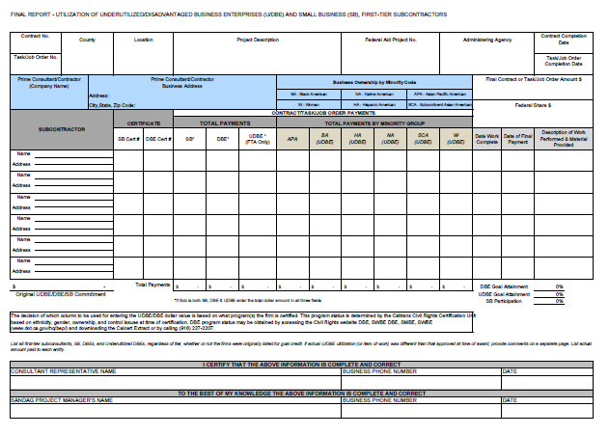
 | Enter the following information:
 | Prime Consultant/Contract: Prime company name
 | Business Address: Address, City, State, & Zip Code
 | Business Ownership by Minority Code: If applicable. This section is used to determine if the prime contractor belongs to a minority group.

 | SUBCONTRACTOR/SUBCONSULTANT INFORMATION
 | The Prime Consultant/Contractor fields are shown in purple in the example.
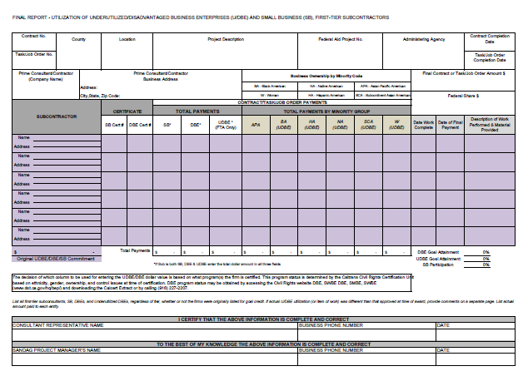
 | Enter the following information:
 | Subcontractor
 | Name: Subcontractor/Subconsultant company name
 | Address: Subcontractor/Subconsultant Address, City, State, & Zip Code
 | Original UDBE/DBE/SB Commitment: Commitment and not advertised goal percentage.
 | Certificate
 | SB Cert #: Small Business Certification number, if applicable
 | DBE Cert #: DBE Certification number, if applicable.
 | Total Payments
 | Enter the total payments for each subcontractor in the SB, DBE, and/or UDBE fields. If a subcontractor is more than one (1), i.e., SB and DBE or SBE, DBE and UDBE, enter the amount in each field.
 | SB: Total payments to this Subcontractor/Subconsultant, if they are a certified Small Business
 | DBE: Total payments to this Subcontractor/Subconsultant, if they are a certified DBE
 | UDBE: Total payments to this Subcontractor/Subconsultant, if they are a certified DBE and belong to one of the following minority groups: Black American, Hispanic American, Native American, Subcontinent Asian America, Women. This is for FTA-funded Contracts/Task/Job Orders only.

 | Total Payments By Minority Group
 | Enter the total payments for each subcontractor by Minority Group. The decision of which column to be used for entering the total payments by minority group is based on their business’ ownership, ethnicity, gender, and control issues at time of certification DBE certification. To confirm a subcontractor’s DBE certification, access the CUCP database at: http://www.dot.ca.gov/hq/bep/find_certified.htm or call (916) 324-1700.
 | APA: Asian Pacific American
 | BA: Black American
 | HA: Hispanic American
 | NA: Native American
 | SCA: Subcontinent Asian American
 | W: Women
 | Note: If a contractor performing work as a DBE on the project becomes decertified and still performs work after their decertification date, enter the total dollar value performed by this contractor under the appropriate DBE identification column.

 | Note: If a contractor performing work as a non-DBE on the project becomes certified as a DBE, enter the dollar value of all work performed after certification as a DBE under the appropriate identification column.

 | Work
 | Enter the following information regarding the work for each subcontractor:
 | Date Work Complete: The date the subcontractor’s work was finished
 | Date of Final Payment: The date the final check was sent to the subcontractor
 | Description of Work Performed & Material Provided: Description of services/materials provided.

 | Finalizing
 | The Totals fields are shown in orange in the example
 | .
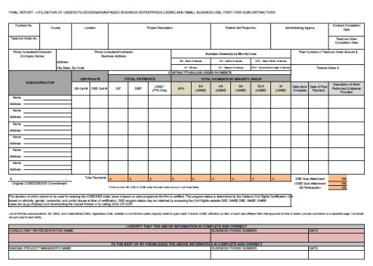
 | · The totals payments will be automatically calculated as data is entered.
 | · The DBE Goal Attainment, UDBE Goal Attainment, and SB Participation fields will be automatically calculated as data is entered.

 | The Authorization fields are shown in red in the example.
 | Consultant Representative Name: Enter the name of the Prime Contractor/Consultant representative.
 | Business Phone Number: Enter the phone number of the Prime Contractor/Consultant representative
 | Date: Enter the date the form was completed and verified.

